Sheet1
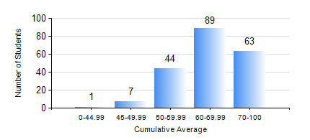
 |  |  | KWAME NKRUMAH UNIVERSITY OF SCIENCE AND TECHNOLOGY, KUMASI Department of Electrical/Electronic Engineering

 |  |  | BSC. ELECTRICAL/ELECTRONIC ENG.

 |  |  | COMPREHENSIVE RECORD OF EXAMINATION RESULTS

 |  |  | RESULTS OF YEAR 4 FIRST SEMESTER, 2024/2025 ACADEMIC YEAR

 | Sn | Course Code |  | Course Name | Credit Hours | Min. Mark | Max. Mark | Avg. Mark | Std. Dev. | No. Passed | No. Trailed | No. (Df) | No. (I) | No. (I*) | No. Tagged(I,I*,Df) | Total
 | 0. |  |  |  |  |  |  | 0 | 0 | 0 | 0 | 0 | 0 | 0 | 0 | 4
 | 1. | COE 475 |  | COMPUTER NETWORKING | 4 | 15 | 86 | 47 | 14.18 | 153 | 46 | 0 | 1 | 0 | 1 | 200
 | 2. | EE 291 |  | ELECTRICAL ENGINEERING LAB. I | 1 | 73 | 73 | 73 | 0 | 1 | 0 | 0 | 0 | 0 | 0 | 1
 | 3. | EE 463 |  | SPECIAL ELECTRICAL MACHINES | 3 | 19 | 93 | 70 | 11.7 | 190 | 2 | 0 | 1 | 0 | 1 | 193
 | 4. | EE 467 |  | POWER SYSTEMS OPERATION AND CONTROL | 3 | 50 | 96 | 75 | 10.72 | 199 | 0 | 0 | 1 | 0 | 1 | 200
 | 5. | EE 489 |  | INDUSTRIAL TRAINING | 1 | 60 | 99 | 84 | 7.54 | 200 | 0 | 0 | 0 | 0 | 0 | 200
 | 6. | EE 497 |  | PROJECT I | 3 | 55 | 88 | 75 | 6.46 | 198 | 0 | 1 | 1 | 0 | 2 | 200
 | 7. | ME 491 |  | ENGINEERING ECONOMICS AND MANAGEMENT | 3 | 48 | 91 | 72 | 8.23 | 199 | 0 | 0 | 1 | 0 | 1 | 200
 | 8. | TE 481 |  | WIRELESS DATA COMMUNICATION NETWORK | 3 | 42 | 87 | 72 | 14.34 | 8 | 0 | 0 | 0 | 0 | 0 | 8

